ReadMe
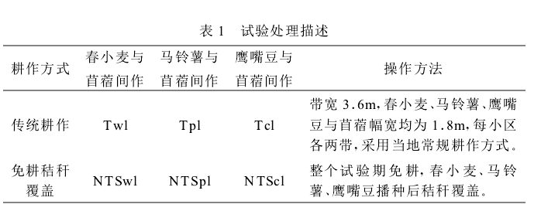
Here, we compiled data from a set of soil health measurements collected across 41 countries around the world, named SoilHealthDB, which includes 5,241 data entries from 281 published studies. The SoilHealthDB includes 42 soil health indicators and 45 background indicators that describe factors such as climate, elevation, and soil type. A primary goal of SoilHealthDB is to enable the research community to perform comprehensive analyses, e.g., meta-analyses, of soil health changes related to cropland conservation management. The database also provides a common framework for sharing soil health, and the scientific research community is encouraged to contribute their own measurements. R code for quality checking and data processing are available at **RScripts**. All data (including meta data for clerification) were stored in 'SoilHealthDB_V1.xlsx'.
SheetName | Description
Sheet1 | Include all digitized data from 281 papers
Explanation | Explain each column in Sheet 1 in details
ExperimentID | Describe how Experiment ID were assigned according to site information
Units convertion | Meta information about unit convertion
Rs Units Convertion | Soil respiration unit convertion
SoilClassficaton | Different soil classification system in the world
SoilDepth | Diagram shows how soil sampling depth were grouped into 0-10cm, 0-20cm, 0-30cm, and >30cm
CoverCropGroup | Describe how cover crop grouped
GrainCropGroup | Describe how grain crop grouped
TillageGroup | Describe how tillage management grouped
ConservationType | Describe the type of conservation in the soil health database
SD_SE | Calculate SD if SE reported in the paper
Reference | 281 references in this database
Notes | Other notes

UnitsConvertion
Soil water content (SWC) units conversion
Unit | Conversion_factor | Sample_土壤含水量 | cm3/cm3 | Notes
g/cm3 | BD | 1.000 | 1*BD | VWC=GWC*BD
g/g | BD | 1.000 | 1*BD | g/g=cm3/cm3 * BD
mm | 0.33 |  |  | No. 46 | VMW

more

Soil bulk density units conversion
Unit | Conversion_factor | Sample_土壤容重 | g/cm3 | Notes
Mg/m3 | 1.00 | 1.000 | 1.00 | 1 Mg/m3 = 1 g/cm3 (1Mg = 1 million g = 10^6 g)

need update

Yield/weed/biomass/erosion
Unit | Conversion_factor | Sample_土壤容重 | kg/ha | Notes
g/m2 | 10.00 | 1.000 | 10.00 | 1 g/m² x 1 kg/1000 g x 10000 m²/ha = 10 kg/ha = 10 kg/hm2
Mg / ha | 1000.00 | 1.000 | 1000.00 | 1 Mg = 1000000 g = 1000 kg/ha
t/ha | 1000.00 | 1.000 | 1000.00
pounds/acre | 1.12 | 1.000 |  | 1 acre = 0.4047 ha |  | 1pound=0.4536kg

more

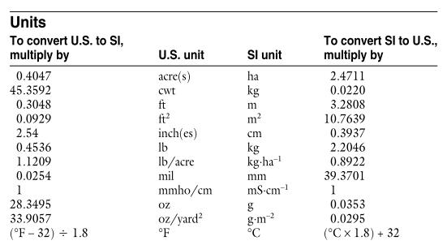
SOC
Unit | Conversion_factor | Sample_土壤容重 | %
g/kg | 0.1000 | 1.000 | 0.10 | 1 g/kg = 0.1 % |  |  |  |  |  |  | MG | kg
t/ha | 0.0614 | 1.000 | 0.06 | 1 ha = 100*100*0.075*1.4Mg |  |  | 1627500 Kg when BD = 1.085 (Study No. 13) |  |  |  | 1370.00 | 1370000.00
kg/ha | 0.0001 | 1.000 | 0.00 | No40
Mg/ha | 0.0730 | 1.000 | 0.07 | No40 |  |  |  |  |  |  | 0.15 | 0.06 | 0.04
Kg/Mg | 0.1000 | 1.000 | 0.10 |  |  |  |  |  |  |  | 0.14 | 0.06 | 0.04
g/m2 |  |  |  | depth = 0.3 | BD=1.2 | 1m2 = 1*1*0.3*1.2 Mg
OM | 0.5814
more

Soil N (TN, Inorganic N, NO3-N, NH4-N, Nox, NHx, Nox+NHx) |  |  |  |  |  |  |  | No.17,D=1.2, BS=1.25 | No.73
Unit | Conversion_factor | Sample_土壤容重 | mg kg-1 soil |  |  |  | 1 ha = Mg | 1 ha = Kg | 1 ha = Kg
kg/ha | 0.06 | 1.000 | 0.06 |  |  |  | 9000.00 | 9000000.00 | 17856000.00
% | 10000.00 | 1.000 | 10000.00 | %=0.01g/g | 10mg/g | 10000 mg / kg
g/kg | 1000.00 | 1.000 | 1000.00
PPM | 1.00 | 1.000 | 1.00 | ppm=0.0001%
mg/g | 1.00 | 1.000 | 1.00
g/m2 | 1.52 | 1.000 | 1.52 | 1m2=657kg | 657.00 |  | No.70
more

SIR or CO2 Burst Test
Unit | Conversion_factor | Sample_土壤容重 | mg CO2 kg−1 soil d−1
mu mol CO2 /kg soil/ d | 0.04 | 1.000 | 0.04 | 1 mg = 22.7273 mu mol | 1 mu mol=1/1000000 mol |  | 0.04
n mol / g | 0.04 | 1.000 | 0.04 | 1 nmol=1/1000000000 mol * 44 g/mol |  |  | 0.04
kg/ha/day | 0.61 | 1.000 | 0.61 | 1 kg=10^6 mg |  | 1 ha = 100*100*0.15*BD*1000 kg |  |  |  | 1627500.00 |  | Sno.13
mu g C per g per day | 1.00 | 1.000 | 1.00

more

MBC/K/MBN
Unit | Conversion_factor | Sample_土壤容重 | mg kg-1 soil
n mol / g | 0.01 | 1.000 | 0.01 | 1 nmol = 1/1000000000 mol |  |  | 1mol=12g | No29
c mol / kg | 120.00 | 1.000 | 120.00 | 1 cmol = 0.01 mol |  |  |  | K need *39
kg/ha | 0.61 | 1.000 | 0.61 | Sno.13 | 1 ha = 1627.5Mg | 1627.50
% | 10000.00 | 1.000 | 10000.00
more

Microbe activity/Enzyme/nematode/earthwarm
Unit | Conversion_factor | Sample_土壤容重 | mu g g-1 soil
n mol / g | 0.01 | 1.000 | 0.01 |  | 0.01
n mol / kg | 0.00

more

Ks, Hydrulic conductivity
Unit | Conversion_factor | Sample_土壤容重 | cm/h
mm / s | 360.00 | 1.000 | 360.00
mm / min | 6.00 | 1.000 | 6.00
m / day | 0.42 | 1.000 | 0.42

more

Soil erosion
Unit | Conversion_factor | Sample_土壤容重 | t/ha
kg/ha | 1000.00 | 0.001 | 1.00
lb/acre | 1000.00 | 0.001 | 1.13
Mg / ha | 1.00 | 1.000 | 1.00
g/m2 | 0.01 | 1.000 | 0.01

more

Runoff
Unit | Conversion_factor | Sample_土壤容重 | mm/yr
% precipitation |  |  | precip*prec entage
L/m2 | 1.00 | 1.000 | 1.00
10^4L/ha | 1.00 | 1.000 | 1.00
m3/ha | 0.10 | 1.000 | 0.10
Drainage |  |  | Precip-Drainage
mm/day |  | 1.000

more

SoilClassfication
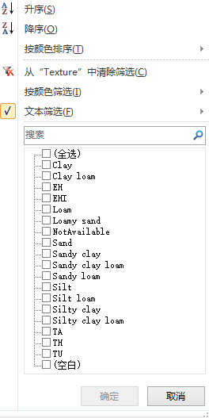
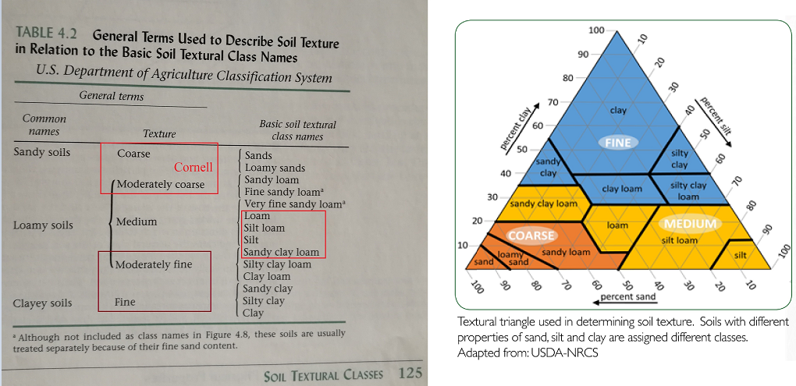
USDA soil classification
SOIL ORDER | SOIL | DESCRIPTION | SOIL FAMILY
ALFISOLS
 | Soil 1 | Fine_loamy, mixed | Typic Cryoboralfs
 | Soil 2 (Santa Series) | Coarse-silty, mixed, frigid | Ochreptic Fragixeralfs
 | Soil 3 (Porthill Series) | Fine, mixed, frigid Typic | Hapioxeralfs
ARIDISOLS
 | Soil 4 (Chilcott Series) | Fine, montmorillonitic, mesic | Abruptic Xerollic Durargids
 | Soil 5 (Colthorp Series) | Loamy, mixed, mesic, shallow | Xerollic Durargids
 | Soil 6 (Sebree Series) | Fine-silty, mixed, mesic | Xerollic Nadurargids
 | Soil 7 (Gooding Series) | Fine, montmorillonitic, mesic | Xerollic Paleargids
 | Soil 8 (Portneuf Series) | Coarse-silty, mixed, mesic | Durixerollic Calciorthids
 | Soil 9 (Trevino Series | Loamy, mixed, mesic Lithic | Xerollic Camborthids
 | Soil IO (Owhyee Series) | Coarse-silty, mixed, mesic | Xerollic Camborthids
 | Soil 11 (Minidoka Series) | Coarse-silty, mixed, mesic | Xerollic Durorthids
 | Soil 12 | Loamy, mixed, frigid | Xerollic Durorthids
ENTISOLS
 | Soil 13 (Garbutt Series) | Coarse-silty, mixed (calcareous), mesic | Typic Torriorthents
 | Soil 14 (Flybow Series) | Loamy-skeletal, mixed, monacid, mesic | Lithic Xerorthents
 | Soil 15 (Pyle Series) | Mixed | Alfic Cryopsamments
 | Soil 16 (Gruincy Series) | Mixed, mesic | Xeric Torripsamments

 | Soil 17 (Shollrock Series) | Mixed, frigid | Typic Xeropsamments
HISTISOLS
 | Soil 18 (Pywell Series) |  | Euic Typic Borosaprists
INCEPTISOLS
 | Soil 19 (Vay Series) | Medial over loamy-skeletal, mixed | Entic Cryandepts
 | Soil 20 (Bluehill Series) | Ashy, mesic | Typic Vitrandepts
 | Soil 21 | Medial over loamy, mixed, frigid | Typic Vitrandepts
 | Soil 22 (Moonville Series) | Cindery, frigid | Mollic Vitrandepts
 | Soil 23 (Roseberry Series) | Sandy, mixed | Humic Cryaquepts
 | Soil 24 | Loamy-skeletal, mixed | Andic Cryochrepts
 | Soil 25 | Loamy-skeletal, mixed | Dystric Cryochrepts
 | Soil 26 | Fine-loamy, mixed | Dystric Cryochrepts
 | Soil 27 | Coarse-loamy, mixed, frigid | Andic Dystrochrepts
 | Soil 28 (Moonville Variant) | Coarse-loamy, mixed, frigid | Andic Xerochrepts
 | Soil 29 (Bonner Series) | Coarse-loamy over sandy or sandy skeletal, mixed, frigid | Andic Xerochrepts
 | Soil 30 (Oxford Series) | Fine, montmorillonitic, frigid | Vertic Xerochrepts
 | Soil 31 (McCall Series) | Loamy-skeletal, mixed | Typic Cryumbrepts
 | Soil 32 | Coarse-loamy, mixed | Andic Cryumbrepts
MOLLISOLS
 | Soil 33 (Southwick Series) | Fine-silty, mixed, mesic | Argiaquic Xeric Argialbolls
 | Soil 34 (Houk Series) | Fine, montmorillonitic, frigid | Argiaquic Xeric Argialbolls
 | Soil 35 (Nez Perce Series) | Fine, montmorillonitic, mesic | Xeric Argialbolls
 | Soil 36 (Drigge Variant) | Fine-loamy, mixed | Argic Cryoborrolls
 | Soil 37 | Fine-loamy, mixed | Argic Pachic Cryoborolls
 | Soil 38 (Greys Series) | Fine-silty, mixed | Boralfic Cryoboroils
 | Soil 39 | Very fine, mixed | Duric Cryoborolls
 | Soil 40 (Pavohroo Series) | Fine-loamy, mixed | Pacfic Cryoborolls
 | Soil 41 (Tannehill Series) | Loamy-skeletal, mixed mesic | Calcic Argixerolis
 | Soil 42 (Gem Series) | Fine, montmorillonitic, mesic | Calcic Argixerolls
 | Soil 43 (Gwin Series) | Loamy-skeletal, mixed, mesic | Lithic Argixerolls
 | Soil 44 (Kilckson Series) | Loamy-skeletal, mixed, frigid | Ultic Argixerolis
 | Soil 45 (Little Wood Series) | Loamy-skeletal, mixed, frigid | Ultic Argixerolis
 | Soil 46 (Rexburg Series) | Coarse-silty, mixed, frigid | Calcic Haploxerolls
 | Soil 47 (Westlake Series) | Fine-silty, mixed, frigid | Cumulic Ultic Haploxerolls
 | Soil 48 (Hymas Series) | Loamy-skeletal, carbonantic, frigid | Lithic Haploxerolls
 | Soil 49 (Ola Series) | Coarse-loamy, mixed, frigid | Pachic Haploxerolls
 | Soil 50 (Palouse Series) | Fine-silty, mixed, mesic | Pachic Ultic Haploxerolls
SPODOSOLS
 | Soil 51 | Coarse-loamy, mixed | Entic Cryorthods
VERTISOLS
 | Soil 52 (Magic Series) | Fine, montmorillonitic, frigid | Entic Chromoxererts
 | Soil 53 (Agar Series) | Very fine, montmorillonitic, mesic | Entic Chromoxererts
 | Soil 54 (Boulder Lake Series) | Very fine, montmorillonitic, frigid | Chromic Pelloxererts

FAO soil classification | http://www.fao.org/docrep/003/y1899e/y1899e02.htm
SET #1 | Organic soils | HISTOSOLS
SET #2 | Mineral soils whose formation was conditioned by human influences (not confined to any particular region) | ANTHROSOLS
SET #3 | Mineral soils whose formation was conditioned by their parent material | Andosols
 | - Soils developed in volcanic material | ARENOSOLS
 | - Soils developed in residual and shifting sands | VERTISOLS
 | - Soils developed in expanding clays
SET #4 | Mineral soils whose formation was conditioned by the topography/physiography of the terrain | FLUVISOLS
 | - Soils in lowlands (wetlands) with level topography | GLEYSOLS
 | - Soils in elevated regions with non-level topography | LEPTOSOLS
 |  | REGOSOLS
SET #5 | Mineral soils whose formation is conditioned by their limited age (not confined to any particular region) | CAMBISOLS
SET #6 | Mineral soils whose formation was conditioned by climate: (sub-)humid tropics | PLINTHOSOLS
 |  | FERRALSOLS
 |  | NITISOLS
 |  | ACRISOLS
 |  | ALISOLS
 |  | LIXISOLS
SET #7 | Mineral soils whose formation was conditioned by climate: arid and semi-arid regions | SOLONCHAKS
 |  | SOLONETZ
 |  | GYPSISOLS
 |  | DURISOLS
 |  | CALCISOLS
SET #8 | Mineral soils whose formation was conditioned by climate: steppes and steppic regions | KASTANOZEMS
 |  | CHERNOZEMS
 |  | PHAEOZEMS
SET #9 | Mineral soils whose formation was conditioned by climate: (sub-)humid temperate regions | PODZOLS
 |  | PLANOSOLS
 |  | ALBELUVISOLS
 |  | LUVISOLS
 |  | UMBRISOLS
SET #10 | Mineral soils whose formation was conditioned by climate: permafrost regions

SoilDepth
